Control Panel
 | Action Panel

 | Current HF Week | 2026-W19 | Video Anleitungen
 |  |  | Für jeden Schritt gibt es auch Video Anleitungen.
 | See documentation for some tabs here: | Documentation | Anleitung
Help in Slack

1 | Create RackfileUPLOAD from HALO

 | Settings |  | Last run for: [F-DE] at [30.04.2026 16:44:38]
 | For which ASLs do you want to generate it? | 3
 | Which market do you want to use? | F-DE
Create RackfileUpload

2 | Create rack labels
Resize text
Export labels as PDF
Reset columns and rows

3 | Create the e-label file
Create E-label and export as CSV
 | Settings
 | Select ASLs in cell D29 (above)

4 | Create test box file and QR codes

 | Instructions
 | The tool replaces [FILE_NAME] in the template with the file name defined below. Then downloads this as a CSV and saves it. It also creates the accompanying QR codes and exports these as a pdf. Edit the template tab if you want. The script will replace any mention of [FILE_NAME] in any column. See hidden tabs for the working sheets; "test boxfile" & "QR codes"

 | Replace with:
 | F-DE_2026-W19_TEST_01_05_2026

 | Settings
 | Which market do you want to use? | F-DE
Create test boxfile and QR codes

_label formats
Page Setup
Each printable page consists of 6 rows of 2 lables each.
With racks 13-144, this is 11 pages per ASL.

Reihen festlegen |  |  | Spalten festlegen

Page | Row number | Height (pixels)
Page margin | 1 | 6 | Label | Spacer | Racklabel | Label 1 | Label 2 | Label 3 | Spacer | Racklabel | Label 1 | Label 2 | Label 3 | Spacer
SKU Label | 2 | 79 | Column number | 1 | 2 | 3 | 4 | 5 | 6 | 8 | 9 | 10 | 11 | 12
Portion size | 3 | 23 | Width (pixels) | 6 | 25 | 110 | 110 | 110 | 14 | 25 | 110 | 110 | 110 | 6
Grammature | 4 | 45
Spacer | 5 | 12
SKU Label | 6 | 79
Portion size | 7 | 23
Grammature | 8 | 45 | Beispiel Seite |  |  |  |  |  |  |  | Reihen festlegen
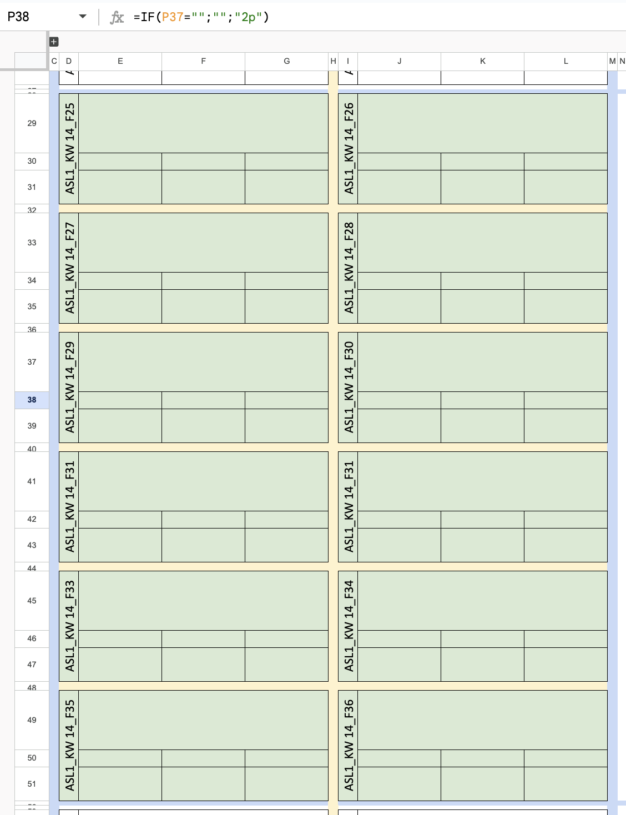
Spacer | 9 | 12
SKU Label | 10 | 79 |  |  |  |  |  |  |  |  | Maximum character length |  | Font size
Portion size | 11 | 23
Grammature | 12 | 45 |  |  |  |  |  |  |  |  | 40 |  | 24
Spacer | 13 | 12 |  |  |  |  |  |  |  |  | 45 |  | 22
SKU Label | 14 | 79 |  |  |  |  |  |  |  |  | 50 |  | 20
Portion size | 15 | 23 |  |  |  |  |  |  |  |  | 60 |  | 18
Grammature | 16 | 45 |  |  |  |  |  |  |  |  | 85 |  | 16
Spacer | 17 | 12 |  |  |  |  |  |  |  |  | 95 |  | 15
SKU Label | 18 | 79 |  |  |  |  |  |  |  |  | 1000 |  | 13
Portion size | 19 | 23
Grammature | 20 | 45
Spacer | 21 | 12
SKU Label | 22 | 79
Portion size | 23 | 23
Grammature | 24 | 45
Page margin | 25 | 6

